Introduction
Arithmetic Paper v2.0
And Another,
And Another ...
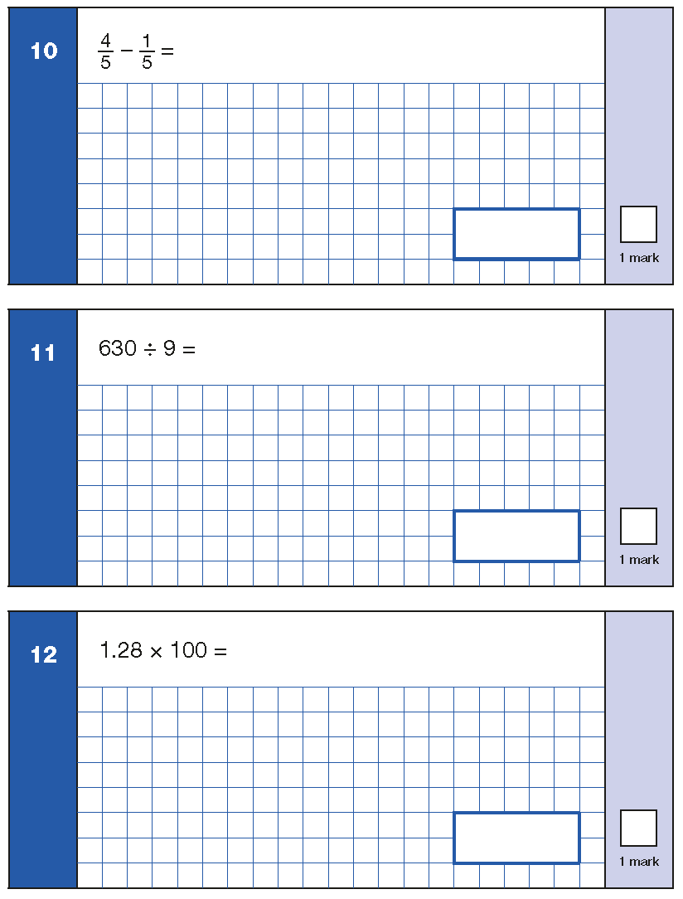

+ Generate an infinite number of context-free arithmetic questions.
+ Thirty six different types of questions reflecting the same structure as the 36 questions on the DfE KS2 Arithmetic Specimen Paper 1.
+ Ideal for lesson starters, assessing the accuracy, efficiency and flexiblityof calculation strategies used by KS2/3 pupils plus preparing Year 6 pupils for the Arithmetic Paper.
'Practice makes skilled'

- Select the Question number worksheet
- Press FN and F9 to generate an infinite number
of similar questions
- Move the Green Box to reveal the correct answer

Created by @MaxTheMaths

 | Licensed for use only in approved schools

Q1
Move to reveal answer
1 | 5 | 5 | + | 1 | 0 | 0 | = | 255

Q2
1 | 1 | 1 | × | 3 | = | 333
Move to reveal answer

Q3
Move to reveal answer
4 | 1 | + | 2 | 5 | = | 6.6

Q4
Move to reveal answer
2 | 4 | × | 9 | = | 216

Q5
,
Move to reveal answer
4 | 4 | 0 | 7 | + | 2 | 5 | 9 | = | 4,666

Q6
Move to reveal answer
30 | ÷ | 5 | = | 6

Q7
Move to reveal answer
2 | 0 | 4 | - | 9 | = | 195

Q8
Move to reveal answer
3 | 1 | + | 0 | 0 | 8 | = | 3.18

Q9
Move to reveal answer
9 | × | 2 | × | 2 | = | 36

Q10
Move to reveal answer
7 | − | 7 | = |  | 0
9 |  | 9 |  |  | 9
 |  |  |  | Note: Some answers may need simplifyng

Q11
Move to reveal answer
560 | ÷ | 8 | = | 70

Q12
Move to reveal answer
2 | 1 | 1 | x | 1 | 0 | 0 | = | 211

Q13
Move to reveal answer
2
2 | = | 4

Q14
,
Move to reveal answer
8 | 0 | 0 | 0 | 0 | − | 6 | 0 | 0 | = | 79,400

Q15
Move to reveal answer
6 | 0 | 0 | × | 2 | 0 | 0 | = | 120,000

Q16
Move to
reveal answer
720 | ÷ | 6 | = | 120

Q17
Move to
reveal answer
60 | % | of | 120 | = | 72

6

Q18
Move to
reveal answer
4 | 4 | 3 | × | 3 | = | 13.29

Q19
Move to
reveal answer
3 | + | 0 | = |  | 3
4 |  | 4 |  |  | 4
 |  |  |  | Note: Some answers may need simplifyng

Q20
,
,
Move to
reveal answer
6 | 6 | 7 | 2 | + | 3 | 1 | 1 | 1 | = | 9,783

Q21
Move to
reveal answer
1001 | ÷ | 2 | = | 500.5

Q22
Move to reveal answer
14 | − | 9 | 0 | 3 | = | 4.97

Q23
Move to reveal answer
 | 8 | 1
× | 5 | 6
 |  |  |  | 4536

 |  |  | 4536

Q24
Move to
reveal answer
13 | 7 | - | 8 | 8 | 1 | = | 4.89

Q25
Move to
reveal answer
11 | 3828 |  | 348

 |  | 348

Q26
Move to
reveal answer
8 | x | 5 | = |  | 40
9 |  | 8 |  |  | 72
 |  |  |  | Note: Some answers may need simplifyng

Q27
Move to
reveal answer
95 | % | of | 80 | = | 76

19

Q28
,
,
Move to
reveal answer
3 | 4 | 3 | 7 | 9 | 9 | + | 7 | 2 | 3 | 6 | 8 | = | 416,167

Q29
Move to
reveal answer
7 | 5 | 6
× | 4 | 6
 |  |  | 34776

Q30
Move to
reveal answer
15 | × | 3 | 1 | = |  | 150
 |  |  | 3 |  |  | 3
 |  |  |  |  | Note: Some answers may need simplifyng

Q31
Move to
reveal answer
18 | − | 4 | × | 5 | = | -2

Q32
Move to
reveal answer
6 | ÷ | 3 | = |  | 2
9 |  |  |  |  | 9
 |  |  |  | Note: Some answers may need simplifyng

Q33
Move to
reveal answer
5 | 1 | − | 1 | = |  | 118
 | 6 |  | 4 |  |  | 24
 |  |  |  |  | Note: Some answers may need simplifyng

Q34
Move to
reveal answer
33 | 11253 | 341

 | 341

Q35
Move to
reveal answer
3 | + | 6 | = |  | 12
4 |  | 8 |  |  | 8
 |  |  |  | Note: Some answers may need simplifyng

Q36
Move to
reveal answer
4 | ÷ | 1 | = |  | 4
6 |  |  |  |  | 6
 |  |  |  | Note: Some answers may need simplifyng

