Introduction
Arithmetic Paper v1.0
And Another,
And Another ...
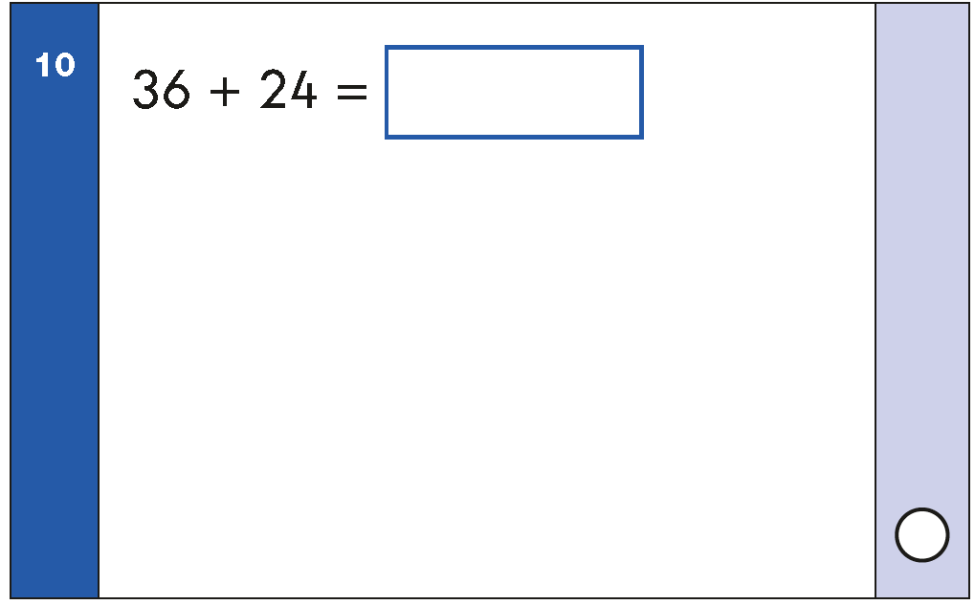

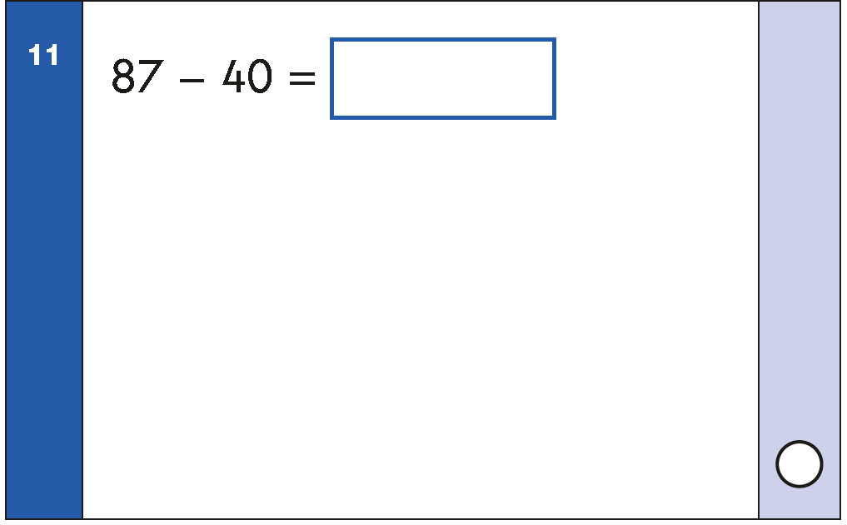

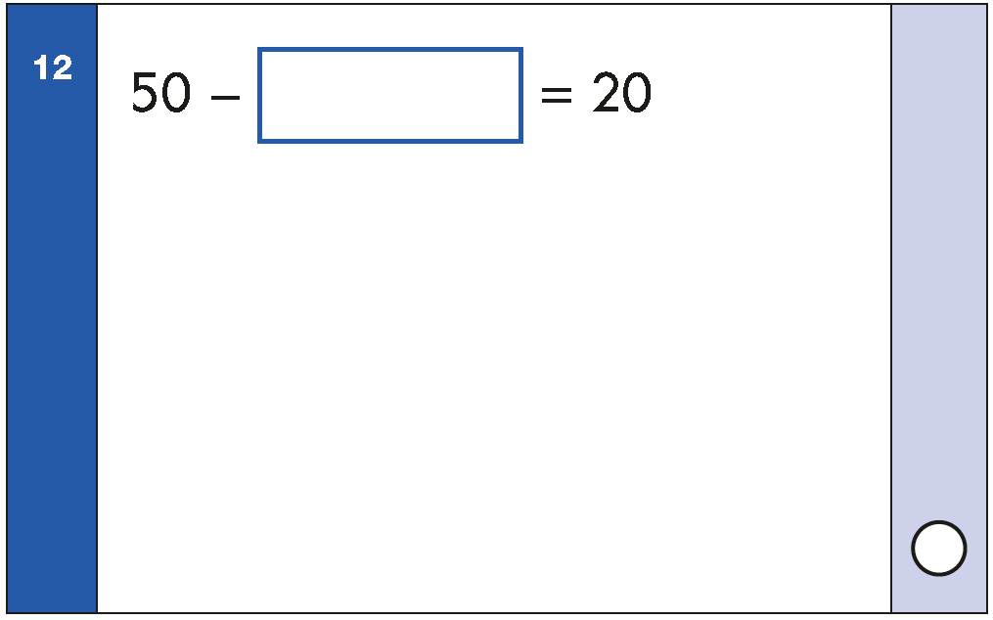

+ Generate an infinite number of context-free arithmetic questions.
+ Twenty five different types of questions reflecting the same structure as the 25 questions on the DfE KS2 Arithmetic Specimen Paper 1.
+ Ideal for lesson starters, assessing the accuracy, efficiency and flexiblityof calculation strategies used by KS1 pupils plus preparing
Year 2 for the Arithmetic Paper
'Practice makes skilled'

- Select the Question number worksheet
- Press Shift and F9 to generate an infinite number of similar questions
- Highlight the green cell to reveal correct answer

Created by @MaxTheMaths

 | Licensed for use only in approved schools

Q1
Move to reveal answer
5 | + | 5 | = | 10

Q2
Move to reveal answer
11 | − | 9 | = | 2

Q3
Move to reveal answer
28 | + | 10 | = | 38

Q4
Move to reveal answer
12 | − | 3 | = | 9

Q5
Move to
reveal answer
13 | + | 3 | + | 1 | = | 17

Q6
Move to reveal answer
24 | − | 5 | = | 19

Q7
Move to reveal answer
9 | + | 0 | = | 9

Q8
Move to reveal answer
59 | + | 9 | = | 68

Q9
Move to reveal answer
8 | + | 3 | + | 5 | = | 16

Q10
Move to reveal answer
4 | 5 | + | 5 | 5 | = | 100

Q11
Move to reveal answer
83 | − | 10 | = | 73

Q12
Move to reveal answer
8 | 0 | - | 8 | = | 20

Q13
Move to reveal answer
5 | × | 10 | = | 50

Q14
Move to reveal answer
4 | × | 0 | = | 0

Q15
Move to reveal answer
9 | × | 3 | = | 27

Q16
Move to reveal answer
20 | ÷ | 2 | = | 10

Q17
Move to reveal answer
15 | ÷ | 5 | = | 3

Q18
Move to reveal answer
1 | of | 8 | = | 2
4

Q19
Move to reveal answer
52 | + | 33 | = | 85

Q20
Move to reveal answer
62 | − | 26 | = | 36

Q21
Move to reveal answer
1 | of | 26 | = | 13
2

Q22
Move to reveal answer
90 | − | 26 | = | 64

Q23
Move to reveal answer
39 | + | 44 | = | 83

Q24
Move to reveal answer
1 | of | 27 | = | 9
3

Q25
Move to reveal answer
3 | of | 12 | = | 9
4

